2R-041034
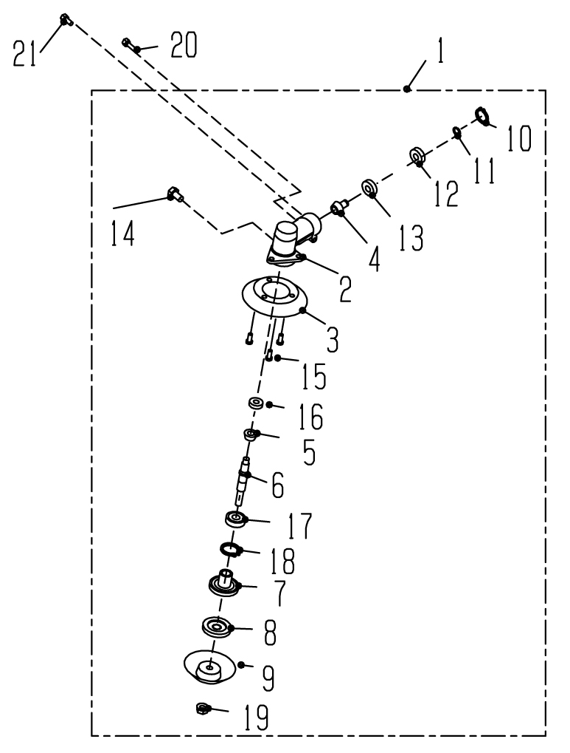
 |  |  |  | GEAR CASE ASSY

REF No. | Parts No. | Parts name | Q'ty | Price | Remarks

1 | 1400 5005591 | GEAR CASE ASSY 262 | 1
2 | C531292 8030 | GEAR CASE | 1
3 | C536290 002015 | PREVENTION PLATE | 1
4 | V651290 8011 | PINION GEAR | 1
5 | V651294 2000 | BEVEL GEAR | 1
6 | C534290 8031 | GEAR SHAFT | 1
7 | C535290 2042 | HOLDER,UPPER | 1
8 | C535294 2021 | HOLDER,LOWER | 1
9 | V151291 0010 | DISK | 1
10 | 2402 22000 | SNAP RING R-22 | 1
11 | 2411 10000 | SNAP RING S-10 | 1
12 | 4003 06900 | BEARING 6900Z | 1
13 | 4000 06900 | BERAING 6900 | 1
14 | V205218 0001 | HEX.BOLT M8 | 1
15 | 1352 05014 | CROSS SCREW M5x14PSW | 3
16 | 4000 00609 | BEARING 609 | 1
17 | 4002 06201 | BEARING 6201DDU | 1
18 | 2402 32000 | SNAP RING R-32 | 1
19 | V266211 0011 | NUT M10L | 1
20 | 1400 1001202 | HEX.BOLT M6x30PSW | 1
21 | 1400 1001510 | HEX.BOLT M5x15PSW | 1

2R-041035
 |  |  |  | CLUTCH CASE ASSY

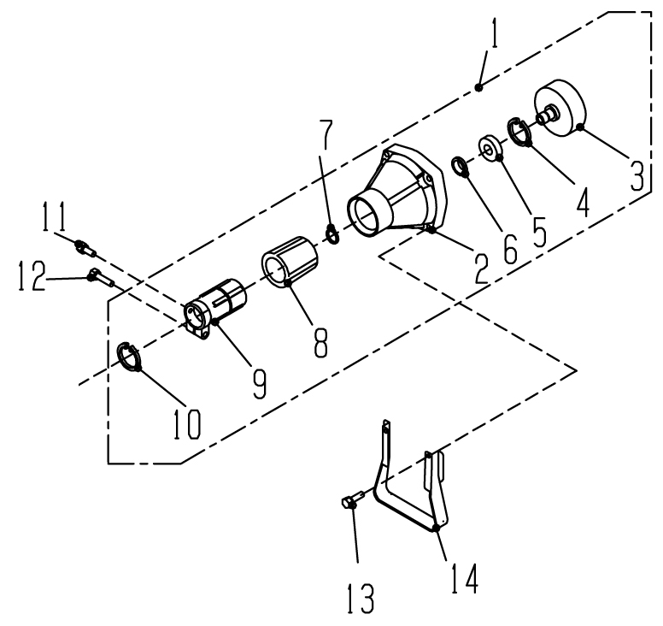

REF No. | Parts No. | Parts name | Q'ty | Price | Remarks

1 | 1400 5005160 | CLUTCH CASE ASSY 262 | 1
2 | 1400 5005170 | CLUTCH CASE | 1
3 | 1400 5005200 | CLUTCH DRUM | 1
4 | 1400 1004590 | SNAP RING | 1
5 | 1400 1005130 | BEARING | 1
6 | 1400 5005660 | SPACER | 1
7 | 1400 1004610 | SNAP RING | 1
8 | 1400 5005190 | VIBRATION RUBBER | 1
9 | 1400 5005180 | BOSS JOINT 262 | 1
10 | 1400 1004540 | SNAP RING | 1
11 | 1400 1001510 | HEX.BOLT M5x15PSW | 1
12 | 1400 1001460 | HEX.BOLT M6x25PSW | 1
13 | 1400 1001201 | HEX.BOLT M6x30PSW (4PCS) | 1
14 | 1400 5060130 | STAND | 1

2R-041036
 |  |  |  | MAIN PIPE, HANDLE

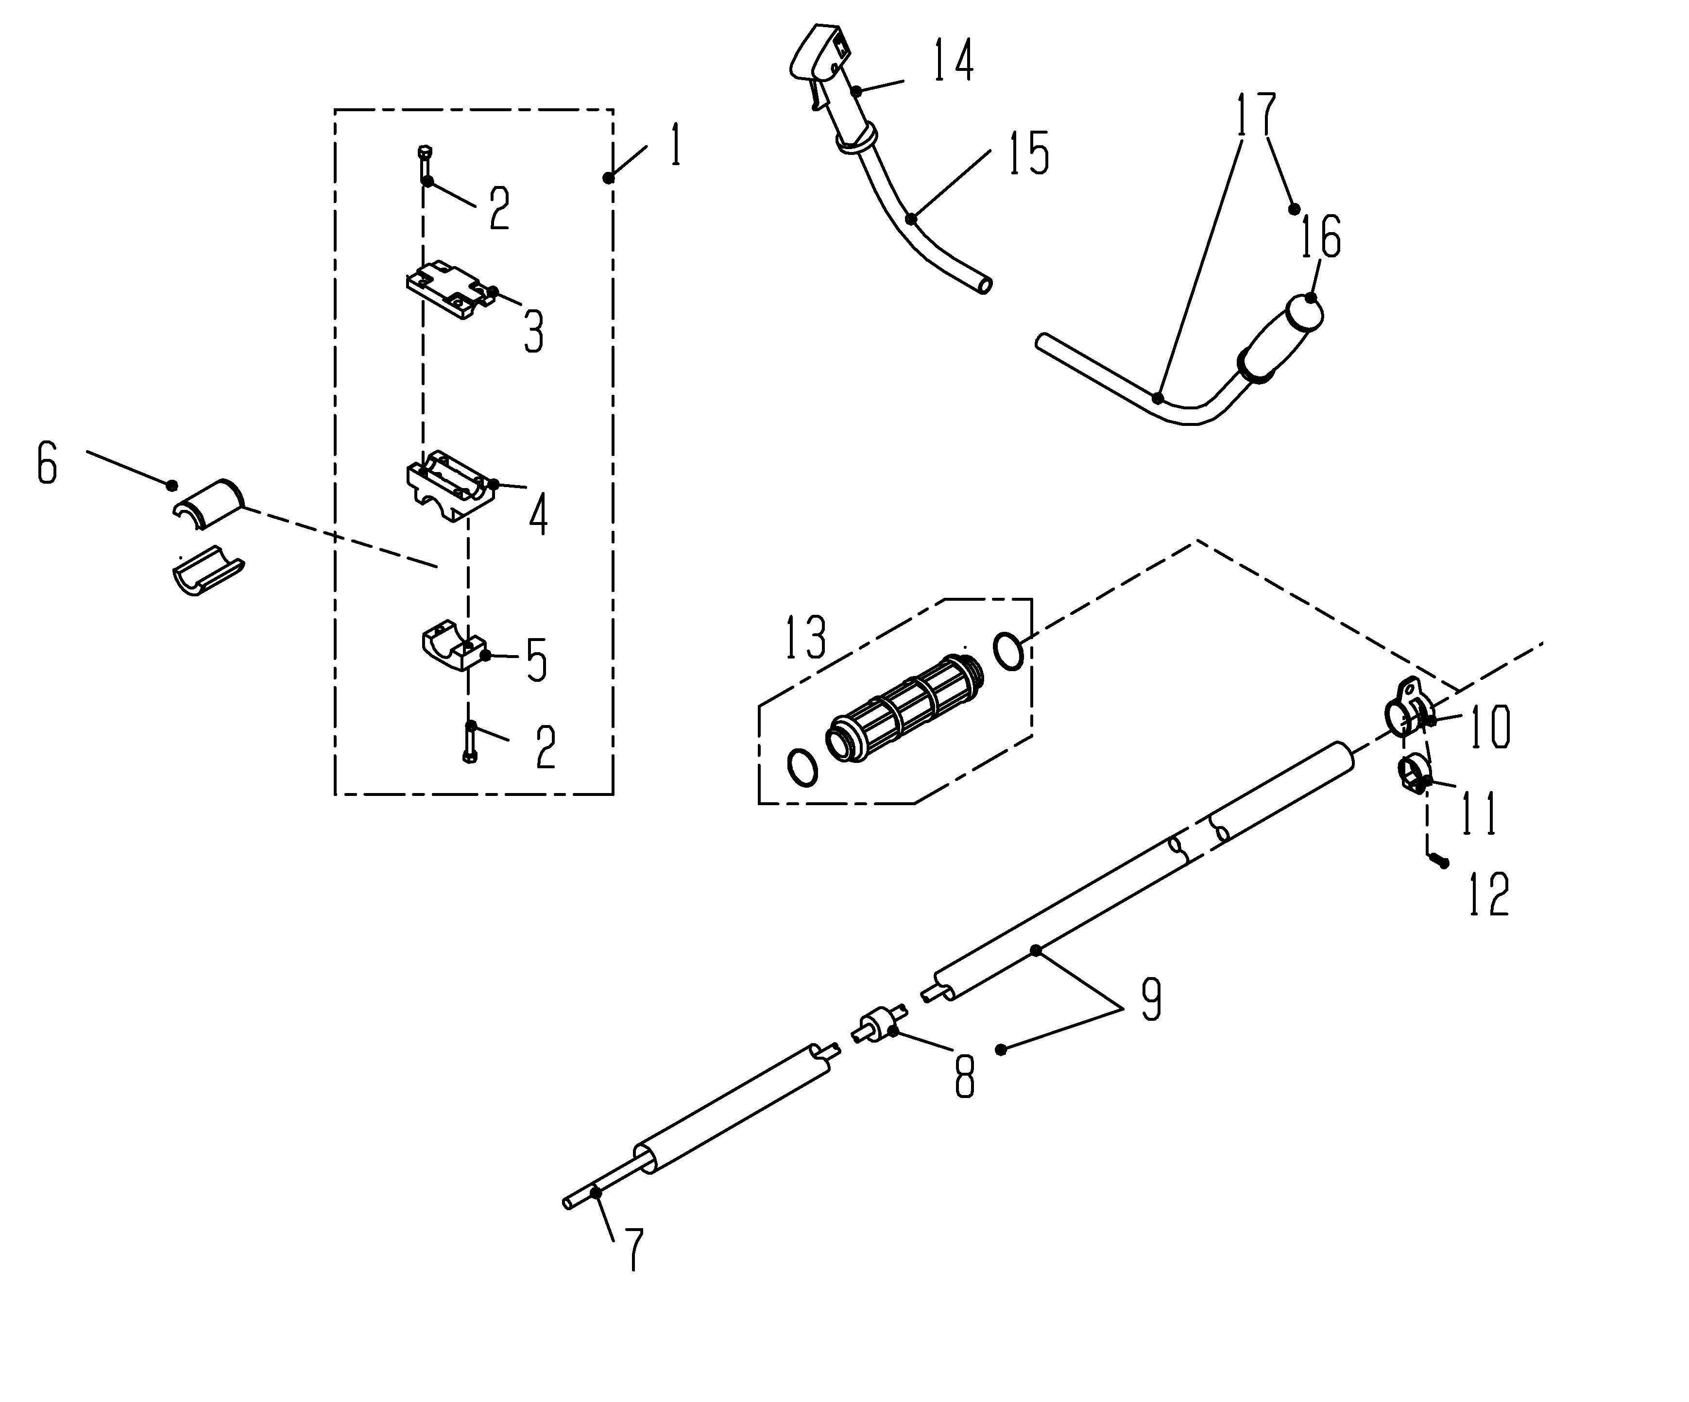

REF No. | Parts No. | Parts name | Q'ty | Price | Remarks

1 | 1400 5005480 | HANDLE CLAMPING ASSY | 1
2 | 1400 1001460 | HEX.BOLT M6x25PSW | 6
3 | 1400 5005490 | HANDLE CLAMPING A | 1
4 | 1400 5005500 | HANDLE CLAMPING B | 1
5 | 1400 5005510 | HANDLE CLAMPING C | 1
6 | 1400 5005620 | PK,HANDLE CLAMPING 262 | 2
7 | 1400 5050020 | DRIVING SHAFT 8 | 1
8 | 1400 5005280 | METAL ASSY 262 | 5
9 | 1400 5005270 | MAIN PIPE ASSY 262 | 1
10 | 1400 5005360 | LIFTING RING A | 1
11 | 1400 5005370 | LIFTING RING B | 1
12 | 1400 1001430 | CROSS SCREW M5x25PSW | 1
13 | 1400 5005330 | MAIN PIPE GRIP 262 | 1
14 | 1400 8013120 | THROTTLE LEVER (TL,TH) | 1
 | 1401 8013200 | THROTTLE LEVER (GX) | 1
15 | 1400 5005532 | HANDLE (S1) | 1
16 | 1400 5005560 | HANDLE GRIP | 1
17 | 1400 5005540 | HANDLE (L) ASSY | 1

2R-041037
 |  |  |  | FITTING

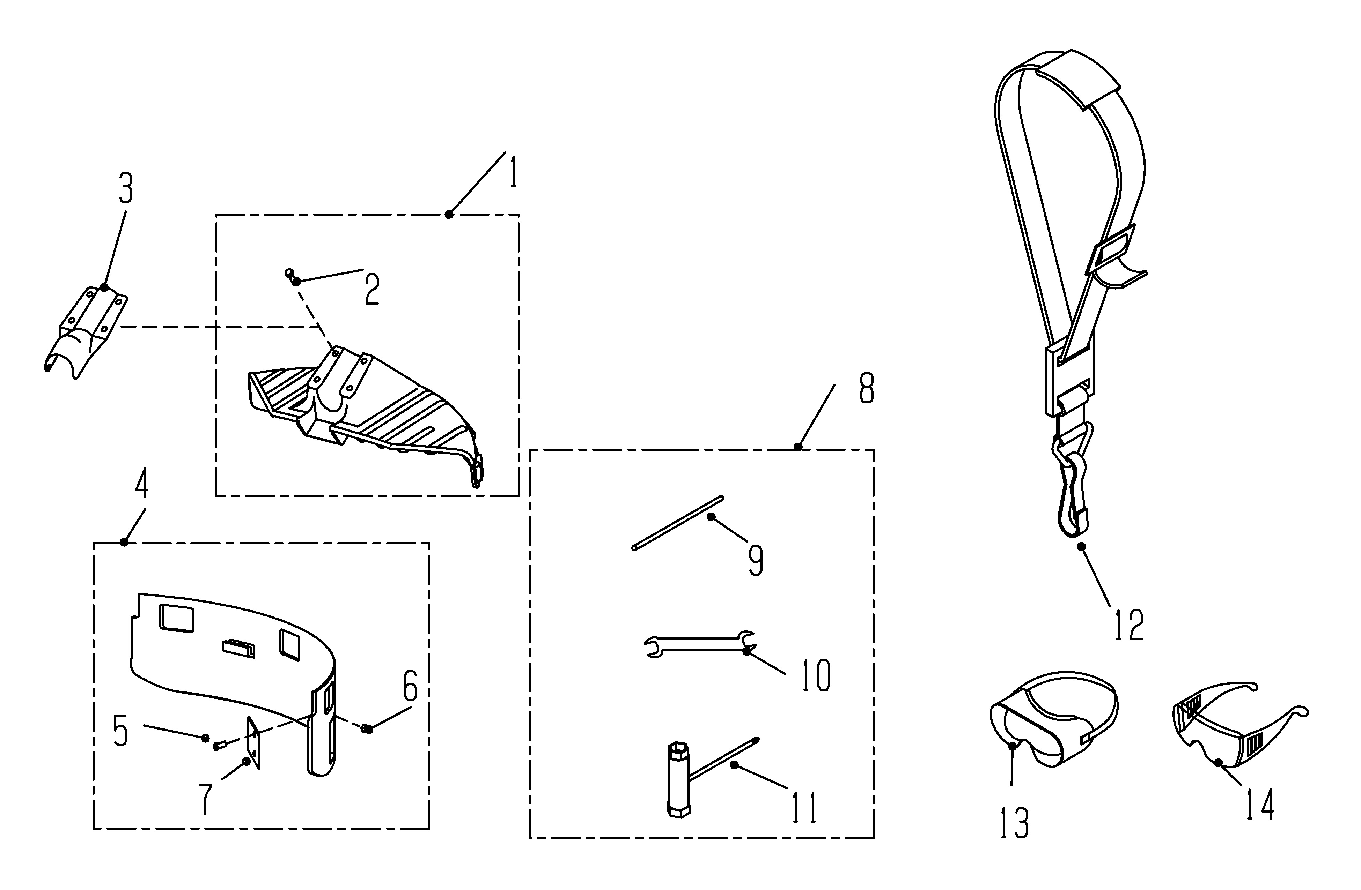

REF No. | Parts No. | Parts name | Q'ty | Price | Remarks

1 | 1400 5060010 | SAFETY COVER SET | 1
2 | 1400 1001460 | HEX,BOLT M6x25PSW | 4
3 | 1400 5060140 | COVER BRACKET(L) | 1
4 | 1400 5060040 | N/C GURDE ASSY | 1
5 | 14001001500 | CROSS SCREW M5x15PSW | 2
6 | 1400 1004021 | NUT M5 | 2
7 | 1400 5060060 | N/C CUTTER | 1
8 | 1400 5060110 | TOOL SET B | 1
9 | 1400 8110050 | ROCK BAR | 1
10 | 1400 8110020 | SPANNER WRENCH 8-10 | 1
11 | 1400 8110060 | BOX WRENCH 17-19-+ | 1
12 | 1400 5060080 | SHOULDER STRAP (M) | 1
13 | 1400 8120031 | GOGGLE (A) | 1
14 | 1400 5060120 | PROTECTIVE GLASSES (B) | 1

